Hiearchy View
CLASS: DOOR CLOSER
any mechanical device that closes a door in a controlled manner, preventing it from slamming, in general after someone opens it, or after it was automatically opened. |  | 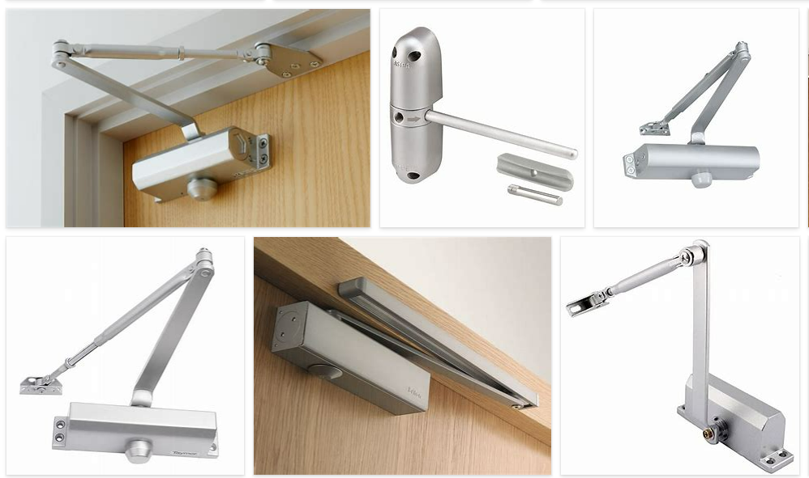
REMOVE | N

PROBLEM_DESC | CAUSE_DESC | REMEDY_DESC
BROKEN/DAMAGED
NOISE
OTHER PROBLEM
STOPPED/SLOWED/POOR OPS
VIBRATION
Grand Total

